Es1
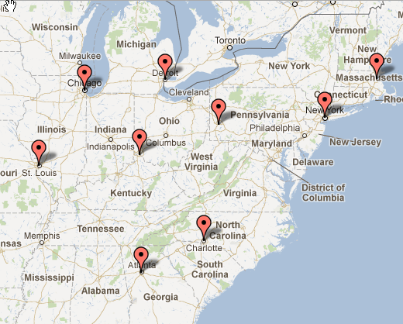
 | Objective
 | -
 | -
 | -
 | -
 | -
 | -
 | -
 | -
 | -
 | - | <<<--- Total Distance x Demand
 | 0 | <<<-- Average Demand Weighted Distance

Set of Cities | Demand-j | X-i (use = 1)
Chicago | 2,870,000 | -
Atlanta | 572,000 | -
New York | 8,450,000 | -
St. Louis | 350,000 | -
Detroit | 901,000 | -
Cincinnati | 333,000 | -
Pittsburgh | 306,000 | -
Charlotte | 723,000 | -
Boston | 610,000 | -
 | Total Facilites | 0
 | Total Allowed | 3 | <<<--- Constraint on number of facilities allowed

Y- i,j | Chicago | Atlanta | New York | St. Louis | Detroit | Cincinnati | Pittsburgh | Charlotte | Boston | Map sourc: batchgeo.com
Chicago | 0 | 0 | 0 | 0 | 0 | 0 | 0 | 0 | 0
Atlanta | 0 | 0 | 0 | 0 | 0 | 0 | 0 | 0 | 0
New York | 0 | 0 | 0 | 0 | 0 | 0 | 0 | 0 | 0
St. Louis | 0 | 0 | 0 | 0 | 0 | 0 | 0 | 0 | 0
Detroit | 0 | 0 | 0 | 0 | 0 | 0 | 0 | 0 | 0
Cincinnati | 0 | 0 | 0 | 0 | 0 | 0 | 0 | 0 | 0
Pittsburgh | 0 | 0 | 0 | 0 | 0 | 0 | 0 | 0 | 0
Charlotte | 0 | 0 | 0 | 0 | 0 | 0 | 0 | 0 | 0
Boston | 0 | 0 | 0 | 0 | 0 | 0 | 0 | 0 | 0
Must Be Supplied | - | - | - | - | - | - | - | - | -

Distance Matrix | Chicago | Atlanta | New York | St. Louis | Detroit | Cincinnati | Pittsburgh | Charlotte | Boston
Chicago | 0 | 720 | 790 | 297 | 283 | 296 | 461 | 769 | 996
Atlanta | 720 | 0 | 884 | 555 | 722 | 461 | 685 | 245 | 1099
New York | 790 | 884 | 0 | 976 | 614 | 667 | 371 | 645 | 219
St. Louis | 297 | 555 | 976 | 0 | 531 | 359 | 602 | 715 | 1217
Detroit | 283 | 722 | 614 | 531 | 0 | 263 | 286 | 629 | 721
Cincinnati | 296 | 461 | 667 | 359 | 263 | 0 | 288 | 479 | 907
Pittsburgh | 461 | 685 | 371 | 602 | 286 | 288 | 0 | 448 | 589
Charlotte | 769 | 245 | 645 | 715 | 629 | 479 | 448 | 0 | 867
Boston | 996 | 1099 | 219 | 1217 | 721 | 907 | 589 | 867 | 0

